Beat Sheet
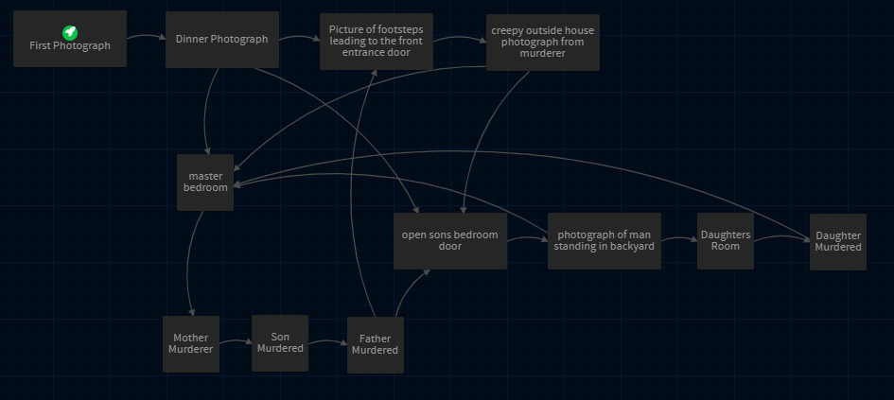
Memento Imago - Non-Linear Beat Sheet
Meta-Location | Outside | Floor 1 |  |  |  |  | Between Floors | Floor 2
Location | Front Garden (Front of House) | Foyer | Fireplace | Dining Room | Kitchen | Backyard | Stairs | Upstairs TV Area | Son Bedroom | Daughter Bedroom | Master Bedroom
Exits To | - Foyer | - Front Garden - Living Room | - Dining Room - Kitchen - Foyer - Backyard | - Kitchen - Living Room | - Dining Room - Living Room | - Fireplace | - Foyer - Upstairs TV Area | - Stairs - Bedroom 1 - Bedroom 2 - Master Bedroom | - Upstairs TV Area | - Upstairs TV Area | - Upstairs TV Area
Murder Scene |  |  | Father murdered after being stabbed several times with a fire poker during a scuffle with the murderer |  |  |  | Son Murdered by having his throat slit and being tossed down the staircase |  |  | Daughter murdered by being stabbed several times in her bed, knife is kept in the corpse | Mother is murdered by being strangled with fishing line
Evidence |  |  | Hair Tuft on ground Murderer gained cut from this scuffle |  |  | Cigarette bud left outside | Blurry photo taken that contains the murderer's eye colour |  |  | Bloody Footprints | Broken Glasses on ground
Objects in location outside of photograph projection |  |  | Red Earth book (world building) | Visualisation Camera (light shines upon camera when player walks into kitchen area to push the player to pick it up) |  |  |  |  | Several photographs of the family and other amateur photographer objects | Daughter murder photograph laying on the night stand there are also bloody sheets on the bed | Mother murder photograph hidden under one of the beds pillows
Photograph Projection Description | Muddy footsteps leading up to the door with a creepy photograph next to them |  | Photograph scene of father murdered after being stabbed several times with a fire poker during a scuffle with the murderer. | First photograph of family having dinner taken by the son | Photograph of shadowy man standing in the back yard of the house | Creepy photograph taken by the murderer of the family around the fireplace laughing and having fun | Son is laying dead on the stairs in a pool of blood while a broken camera lays next to him with a blurry photograph of the murderer |  |  | Photograph scene of daughter murdered by being stabbed several times in her bed, the knife is still in the corpse when the photograph was taken. | Photograph scene of mother murdered by strangulation with fishing line by the murderer.
Object/Photograph inside projection | Creepy photograph of family laughing around the fireplace |  | hair tuft is laying inside the visualisation near the father. The murder gained a cut on their cheek because of this. | Photograph of muddy footsteps up to the front entrance door & key to Son's bedroom | key to daughters room on dining table | Cigarette bud left outside | Broken camera near the corpse and a blurry photograph (that contains the murderers eye colour) next to the camera. Father murder photograph is also laying on the entrance table |  |  | bloody footprints on the ground which are inspectable | broken glasses found on the ground near the corpse as well as sons murderphotograph on the ground outside the room

